Alert List Screen
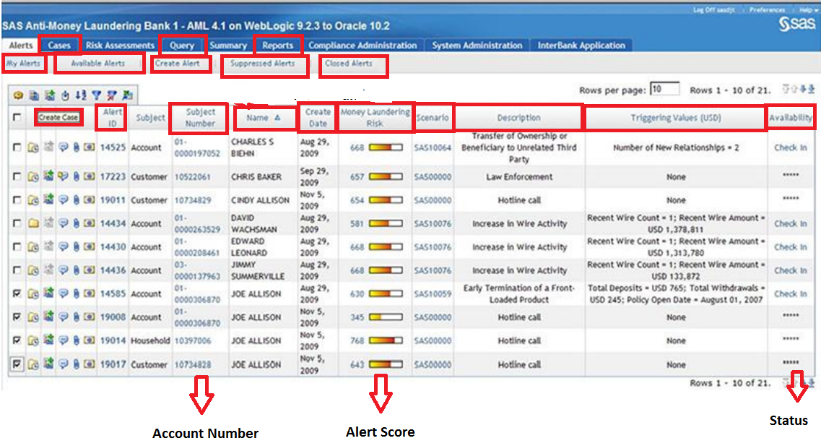
Mandatory Information:
Alerts List | My Alerts, | Available Alerts, | Create Alert, | Suppressed Alerts, |  | Closed Alerts

Query | Search for Alert ID/ Case ID/ Customer ID / Customer Name from ddMMyyyy to ddMMyyyy

Reports | Alert Statistic Reports (Monthly/Weekly; report to SAR/ closed alerts)

Create Case | Alert ID | Customer Name | Account Number |  | Alert Ceate Date | Alert Score | Scenario ID | Scenario Description | Triggering Values (Transaction Amount) | Alert Status

Alert Screen
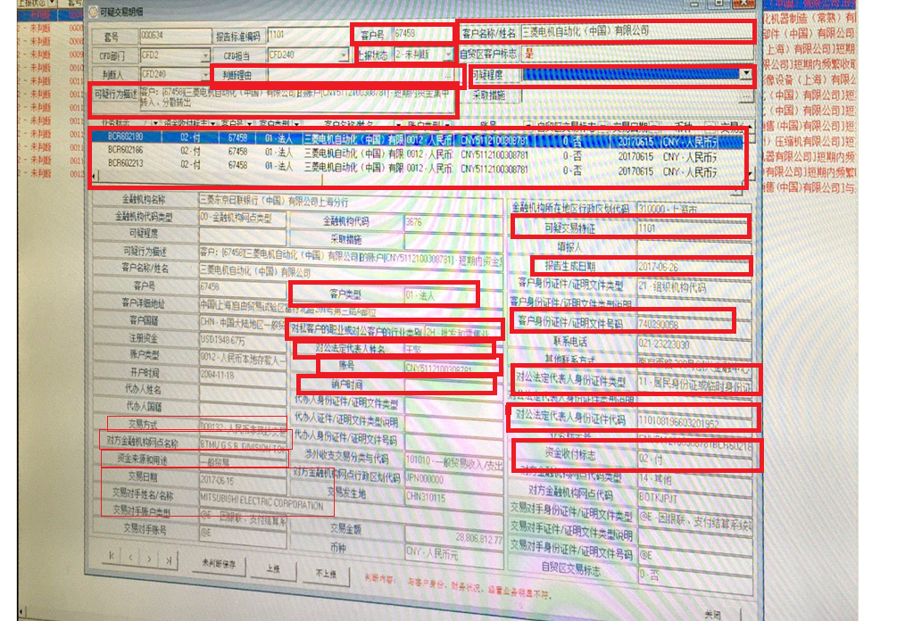
Mandatory Information:
Alert Description (Scenario Code) |  |  |  | Comments for report to SAR or close the alerts |  |  |  | Attachment |  | Action: Report to SAR/ Closed the Alerts/ Save draft | Suspicious Level
Customer ID, Customer Name, Customer Type, Transaction Date, Associated Accounts, Account Number, Transaction Amount, Alert Creation Date,
Account Open Date |  | Account Close Date |  | Counterparty |  | Counterbank | Counterbank's Location
Currency | Transaction Type |  | Occupation |  | Registration Number/ ID Number |  | Transaction Purpose |  | Fund Receive/Pay
Representative |  | Representative ID Number |  |  | Representative ID Type

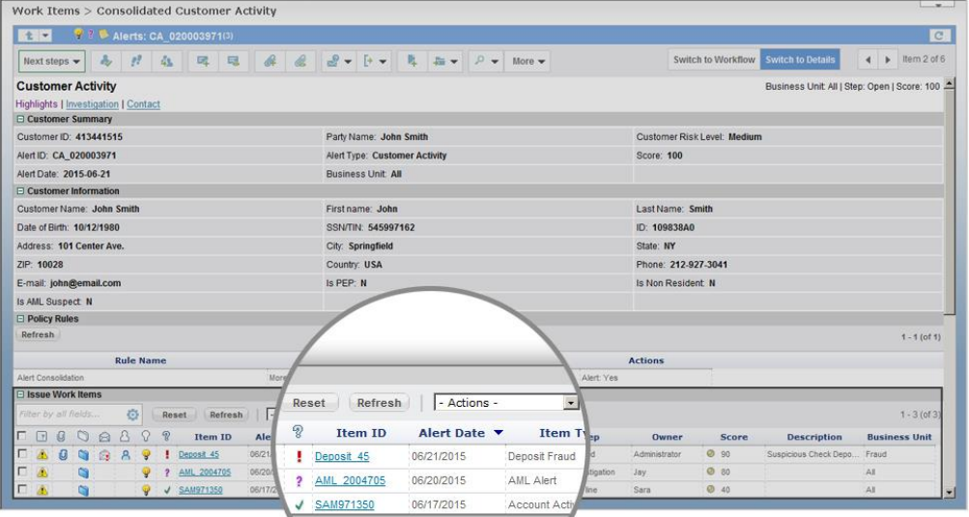
Extract all data to Excel

